FT Specs

Please provide specs applicable ONLY to ad units listed in the Media Plan tab

Feel free to include any visuals pertaining to custom ad units, newsletters, etc that will assist the Creative Services team in developing assets
(this is in addition to and not in lieu of requirements to fill in the template below)

 |  | SUPPORTED DEVICES |  |  |  | HTML5 Ad Requirements |  |  |  |  |  |  |  |  | AUDIO |  |  | VIDEO
Ad Type | Ad Unit Size | Desktop | Tablet | Mobile | Supported file types & more info | HTML5 Ad Serving Type | HTML5 Initial Load | HTML5 Initial Load Requirements | HTML5 Subload | HTML5 Subload Requirements | Gif / Jpeg / PNG Max file size | Initial Load | Host-Initiated Subload | Animation & Looping Limitations | Audio Allowed? | Audio Option | Audio Restrictions | In-banner video accepted? | In-Ad Video File Size Max | In-banner Video Ad Serving Type | In-banner video Requirements | In-banner Video - Audio Restrictions | File Requests | Expandable | Blocking Tags accepted? | Creative Deadline
Billboard | 970x250 | Y | Y (Landscape) | N | 3rd party ad tag (Javascript / HTML5), gif, jpg, png | HTML5 must be served by third party tags. | 250 KB | All asset files necessary for completing first visual display of the ad must be immediately loaded when the ad tag is inserted in the page. | 500 KB | All of the creative’s subsequent assets must be loaded once the host webpage has completed loading. | 50 KB | 250 KB | 500 KB | 1 maximum / 15 Seconds max No looping beyond 15 seconds | Y | Default off. User must click to initiate audio. | N/A | Y | 1.1 MB | Third Party tags | Video can auto play but must include "play" and "stop" buttons. Video advertisements should not play for longer than 15 seconds and should only play once. Users should never be prompted to download a compatible video player plug-in FT is unable to stream or host video ads. All video ads must be served via a 3rd party | Audio must be muted if video autoplays. Video volume should not exceed -12 db. | Ad must not exceed 10 file requests | N/A | No - Monitoring only | 5 business days in advance of campaign start
Halfpage / Double MPU | 300x600 | Y | Y | N | 3rd party ad tag (Javascript / HTML5), gif, jpg, png | HTML5 must be served by third party tags. | 200 KB | All asset files necessary for completing first visual display of the ad must be immediately loaded when the ad tag is inserted in the page. | 500 KB | All of the creative’s subsequent assets must be loaded once the host webpage has completed loading. | 50 KB | 200 KB | 500 KB | 1 maximum / 15 Seconds max No looping beyond 15 seconds | Y | Default off. User must click to initiate audio. | N/A | Y | 1.1 MB | Third Party tags |  | Audio must be muted if video autoplays. Video volume should not exceed -12 db. | Ad must not exceed 10 file requests | Expand to: 600x600 (Left and down) User must click on the ad to initiate expansion Must have a clear Close Button Expandable ads must be hosted by 3rd party vendor (Secure tag is required) | No - Monitoring only | 5 business days in advance of campaign start
MPU | 300x250 | Y | Y | Y | 3rd party ad tag (Javascript / HTML5), gif, jpg, png | HTML5 must be served by third party tags. | 150 KB | All asset files necessary for completing first visual display of the ad must be immediately loaded when the ad tag is inserted in the page. | 300 KB | All of the creative’s subsequent assets must be loaded once the host webpage has completed loading. | 50 KB | 150 KB | 300 KB | 1 maximum / 15 Seconds max No looping beyond 15 seconds | Y | Default off. User must click to initiate audio. | N/A | Y | 1.1 MB | Third Party tags |  | Audio must be muted if video autoplays. Video volume should not exceed -12 db. | Ad must not exceed 10 file requests | N/A | No - Monitoring only | 5 business days in advance of campaign start

Contextual ad placement (970x250 and 300x250 shown)

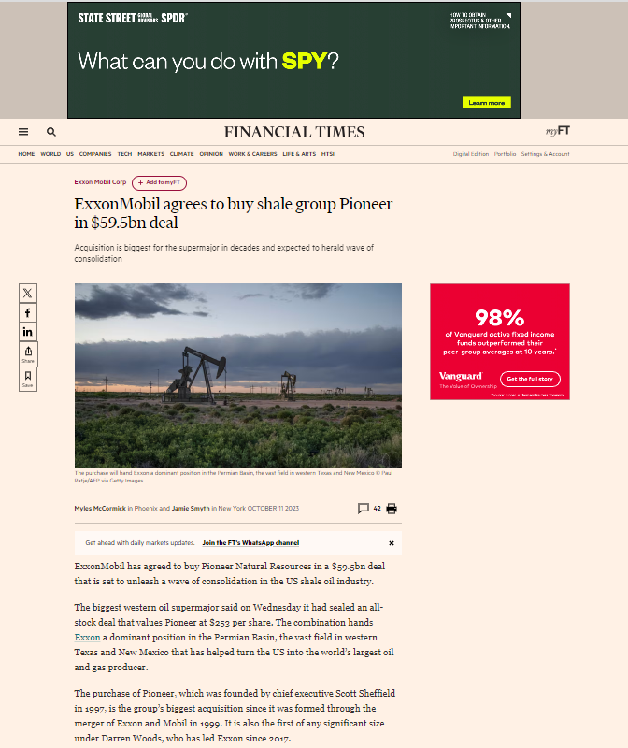

Behavioral ad target (Could deliver on article pages or navigation pages as shown below)

WSJ Specs
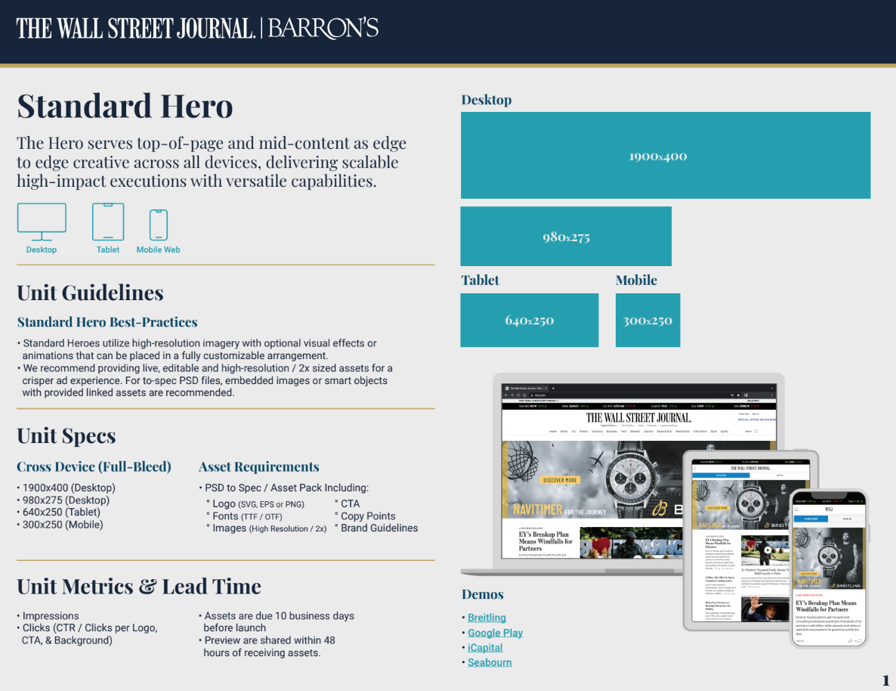
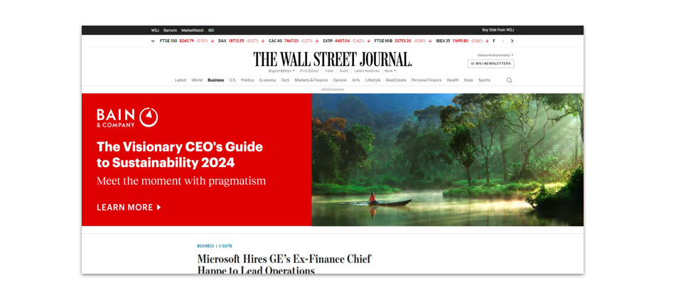
Please provide specs applicable ONLY to ad units listed in the Media Plan tab

Feel free to include any visuals pertaining to custom ad units, newsletters, etc that will assist the Creative Services team in developing assets
(this is in addition to and not in lieu of requirements to fill in the template below)

 |  | SUPPORTED DEVICES |  |  |  | HTML5 Ad Requirements |  |  |  |  |  |  |  |  | AUDIO |  |  | VIDEO
Ad Type | Ad Unit Size | Desktop | Tablet | Mobile | Supported file types & more info | HTML5 Ad Serving Type | HTML5 Initial Load | HTML5 Initial Load Requirements | HTML5 Subload | HTML5 Subload Requirements | Gif / Jpeg / PNG Max file size | Initial Load | Host-Initiated Subload | Animation & Looping Limitations | Audio Allowed? | Audio Option | Audio Restrictions | In-banner video accepted? | In-Ad Video File Size Max | In-banner Video Ad Serving Type | In-banner video Requirements | In-banner Video - Audio Restrictions | File Requests | Expandable | Blocking Tags accepted? | Creative Deadline
Billboard | 300x250 | Y | Y (Landscape) | N | 3rd party ad tag (Javascript / HTML5), gif, jpg, png | HTML5 must be served by third party tags. | 150k | All asset files necessary for completing first visual display of the ad must be immediately loaded when the ad tag is inserted in the page. | 300k | All of the creative’s subsequent assets must be loaded once the host webpage has completed loading. | 50 KB | 250 KB | 500 KB | 15 Seconds max No looping beyond 15 seconds | Y | Default off. User must click to initiate audio. | Audio volume should not exceed -12 db | Y | 1.1 MB | Third Party tags | Video player must contain a volume, pause and play buttons. Video can not exceed 15 seconds. Recommended 24 FPS minimum. For lower bandwidth (less than 2 mbps) 18 FPS may be used. | Audio must be muted if video autoplays. Video volume should not exceed -12 db. | Ad must not exceed 10 file requests | N/A | No - Monitoring only | 10 business days in advance of campaign start
Billboard | 300x600 | Y | Y (Landscape) | N | 3rd party ad tag (Javascript / HTML5), gif, jpg, png | HTML5 must be served by third party tags. | 150k | All asset files necessary for completing first visual display of the ad must be immediately loaded when the ad tag is inserted in the page. | 300k | All of the creative’s subsequent assets must be loaded once the host webpage has completed loading. | 50 KB | 250 KB | 500 KB | 15 Seconds max No looping beyond 15 seconds | Y | Default off. User must click to initiate audio. | Audio volume should not exceed -12 db | Y | 1.1 MB | Third Party tags | Video player must contain a volume, pause and play buttons. Video can not exceed 15 seconds. Recommended 24 FPS minimum. For lower bandwidth (less than 2 mbps) 18 FPS may be used. | Audio must be muted if video autoplays. Video volume should not exceed -12 db. | Ad must not exceed 10 file requests | N/A | No - Monitoring only | 10 business days in advance of campaign start
Billboard | 970x250 | Y | Y (Landscape) | N | 3rd party ad tag (Javascript / HTML5), gif, jpg, png | HTML5 must be served by third party tags. | 150k | All asset files necessary for completing first visual display of the ad must be immediately loaded when the ad tag is inserted in the page. | 300k | All of the creative’s subsequent assets must be loaded once the host webpage has completed loading. | 50 KB | 250 KB | 500 KB | 15 Seconds max No looping beyond 15 seconds | Y | Default off. User must click to initiate audio. | Audio volume should not exceed -12 db | Y | 1.1 MB | Third Party tags | Video player must contain a volume, pause and play buttons. Video can not exceed 15 seconds. Recommended 24 FPS minimum. For lower bandwidth (less than 2 mbps) 18 FPS may be used. | Audio must be muted if video autoplays. Video volume should not exceed -12 db. | Ad must not exceed 10 file requests | N/A | No - Monitoring only | 10 business days in advance of campaign start

or Standard Hero (Static)
https://drive.google.com/file/d/1bsJM8wciCRbtkie6TJ9M0SCW2X2DKej4/view

